1. Title Page
Grocery Basket Analysis

Project Name: Grocery Basket Analysis
Date: January 2024
Analyst Name: Lainey Odette

Contents:
Population Flow
Consistency checks
Wrangling steps
Column derivations
Visualizations
Recommendations

Data Citations
“The Instacart Online Grocery Shopping Dataset 2017”, Accessed from www.instacart.com/datasets/grocery-shopping-2017 via Kaggle on January 2, 2024.
Note that the customer data explored in Exercises 4.9 and 4.10, as well as the “prices” column in the products data set, were both fabricated for the purpose of this course.

https://simple.wikipedia.org/wiki/List_of_regions_of_the_United_States
Wikipedia - categorize state into region

2. Population Flow
Title page

Population flow

Exclusion Flag
Condition: max_order < 5
Obervations to be removed: 1,440,295
Final total count of order_products_all: 30,964,564

Orders_products_combined
Orders_products_merged
Orders_products_all

Total: 32,404,859
Total: 32,434,489
Total: 32,404,859

1.) The grey boxes in the first row of the population flow represent the original data sets as they were when you downloaded them. In the Total fields you need to add the count of the rows when you imported the data set into Jupyter.
2.) The second row of boxes (coloured) represents the data sets after you manipulated them, e.g., removed missing values and duplicates. In the Total fields you need to add the count of the rows after conducting these operations. This offers a visual oveview of how the data flows throughout the data consistency checks.
3.) The third row, where also the arrows are coloured, represents the merges you performed between the datasets. In the Total fields you need to add the count of the rows in the merged datasets, so that you end up with the final dataset (in the red box). Keep in mind the final dataset should be without exclusions (based on the exclusion flag).

3. Consistency checks
 |  |  |  |  |  |  | Title page
Consistency checks

Dataset | Missing values | Missing values treatment | Duplicates
orders | 206,209 / days_since_prior_order | added a "customer first order" flag column - missing values reflect that the order is the first the customer placed therefore no prior orders | none found
products | 16 / product _name | removed from df | 5 full duplicates removed
orders_products_prior
customers | 11,259 / first name | no action - not needed for analysis | none found

Crosstab
to confirm that the 'customer order number ' = 1 for each missing value

days_since_prior_order | 1 | 2 | 3 | 4 | 5 | 6 | 7 | 8 | 9 | 10 | 11 | 12 | 13 | 14 | 15 | 16 | 17 | 18 | 19 | 20 | 21 | 22 | 23 | 24 | 25 | 26 | 27 | 28 | 29 | 30 | 31 | 32 | 33 | 34 | 35 | 36 | 37 | 38 | 39 | 40 | 41 | 42 | 43 | 44 | 45 | 46 | 47 | 48 | 49 | 50 | 51 | 52 | 53 | 54 | 55 | 56 | 57 | 58 | 59 | 60 | 61 | 62 | 63 | 64 | 65 | 66 | 67 | 68 | 69 | 70 | 71 | 72 | 73 | 74 | 75 | 76 | 77 | 78 | 79 | 80 | 81 | 82 | 83 | 84 | 85 | 86 | 87 | 88 | 89 | 90 | 91 | 92 | 93 | 94 | 95 | 96 | 97 | 98 | 99
0 | 0 | 20536 | 20441 | 17984 | 16438 | 16046 | 14384 | 13890 | 12774 | 11460 | 11784 | 9828 | 9438 | 8960 | 8435 | 8130 | 7848 | 7749 | 7038 | 6902 | 7084 | 6424 | 6170 | 6103 | 6032 | 5541 | 6049 | 5569 | 5201 | 5685 | 4811 | 5133 | 4630 | 4535 | 4552 | 4384 | 4314 | 4093 | 3864 | 4029 | 4056 | 3825 | 3677 | 3670 | 3226 | 3519 | 3326 | 2720 | 3164 | 2634 | 2482 | 2928 | 2624 | 2522 | 2379 | 2483 | 2375 | 2221 | 2354 | 2196 | 2069 | 2247 | 1856 | 2031 | 1585 | 2127 | 1939 | 1871 | 1560 | 1672 | 1700 | 1573 | 1731 | 1555 | 1341 | 1537 | 1526 | 1422 | 1369 | 1184 | 1306 | 1196 | 1150 | 1490 | 1343 | 1358 | 1139 | 1177 | 1177 | 1195 | 1148 | 1040 | 937 | 1134 | 1099 | 1041 | 883 | 1037 | 935
1 | 0 | 31674 | 29950 | 28010 | 27092 | 25533 | 24996 | 22921 | 21783 | 21067 | 21260 | 19516 | 19108 | 18279 | 18544 | 18133 | 16765 | 15977 | 15509 | 15128 | 15183 | 13855 | 13619 | 13230 | 12861 | 13006 | 12938 | 11962 | 12525 | 12084 | 11751 | 11581 | 10867 | 10395 | 9694 | 9688 | 9760 | 9506 | 9562 | 9456 | 8645 | 8873 | 8713 | 8576 | 8441 | 8323 | 8482 | 8199 | 7711 | 7147 | 7715 | 6976 | 6525 | 7033 | 7112 | 6250 | 6438 | 6265 | 5896 | 5851 | 5598 | 5947 | 4935 | 5725 | 4852 | 4950 | 5263 | 4675 | 4568 | 4692 | 4123 | 4405 | 4222 | 4229 | 4013 | 3918 | 4106 | 3996 | 3596 | 4132 | 3518 | 3149 | 3458 | 3289 | 3245 | 3108 | 2970 | 2693 | 3027 | 2787 | 2801 | 2728 | 2605 | 2606 | 2639 | 2436 | 2535 | 2633 | 2363
2 | 0 | 46454 | 46264 | 43902 | 40729 | 40907 | 38101 | 37519 | 35745 | 33830 | 33364 | 31473 | 30602 | 30259 | 28626 | 27574 | 26687 | 26236 | 25612 | 23717 | 23529 | 23979 | 23049 | 22337 | 21831 | 21598 | 20651 | 19776 | 18953 | 19240 | 18736 | 18331 | 17108 | 17534 | 16381 | 16021 | 16448 | 16095 | 15569 | 14664 | 14450 | 14344 | 13397 | 12920 | 12940 | 12895 | 12061 | 13443 | 12348 | 11730 | 11714 | 10607 | 10573 | 10813 | 10214 | 9494 | 9709 | 9349 | 8823 | 8733 | 8963 | 8179 | 8185 | 7712 | 7416 | 7756 | 7338 | 7041 | 7148 | 6623 | 6737 | 6386 | 6289 | 5951 | 5709 | 5629 | 5221 | 5058 | 5071 | 4704 | 4924 | 4388 | 4801 | 4658 | 3946 | 3937 | 4074 | 4204 | 3474 | 3623 | 3555 | 3314 | 3589 | 3319 | 3072 | 2985 | 3057 | 3091 | 2609
3 | 0 | 61637 | 63388 | 59996 | 57882 | 56183 | 52869 | 49291 | 48295 | 47826 | 45028 | 42994 | 42117 | 40701 | 38433 | 37943 | 35934 | 34663 | 34387 | 32645 | 32395 | 31478 | 30683 | 29434 | 29001 | 28254 | 26465 | 27083 | 25750 | 23421 | 23592 | 24477 | 23818 | 22226 | 21865 | 21329 | 20609 | 20805 | 19501 | 20909 | 18544 | 17952 | 17429 | 16905 | 16367 | 16424 | 15506 | 15539 | 14239 | 14977 | 13646 | 13555 | 12915 | 12216 | 11583 | 11839 | 11204 | 10572 | 10601 | 9899 | 10058 | 9837 | 9019 | 9232 | 8346 | 7929 | 7890 | 7420 | 7948 | 7222 | 6659 | 6834 | 6267 | 6273 | 6433 | 6070 | 5437 | 5168 | 5425 | 4885 | 5008 | 4557 | 4436 | 3799 | 4246 | 4005 | 3915 | 3359 | 3573 | 3318 | 3237 | 2799 | 3073 | 2902 | 2635 | 2658 | 2462 | 2168 | 2467
4 | 0 | 76733 | 78861 | 73540 | 70519 | 66569 | 62399 | 61143 | 59499 | 57700 | 54730 | 51935 | 48774 | 46896 | 45838 | 44241 | 42119 | 41276 | 39404 | 37328 | 36517 | 36475 | 35903 | 33132 | 34157 | 31341 | 31036 | 30094 | 28532 | 27017 | 26954 | 26013 | 24438 | 24654 | 23964 | 23047 | 22939 | 21584 | 20794 | 19015 | 19390 | 19327 | 18766 | 18719 | 18091 | 16584 | 16188 | 15564 | 15003 | 14202 | 13801 | 13032 | 12912 | 12019 | 11650 | 11928 | 11599 | 10291 | 9864 | 9640 | 9029 | 8717 | 8571 | 7755 | 8195 | 7316 | 6613 | 6331 | 6114 | 6468 | 6385 | 5590 | 5320 | 4985 | 5209 | 4348 | 4795 | 4442 | 4184 | 4229 | 3868 | 3985 | 3444 | 3224 | 2843 | 2862 | 2584 | 2711 | 2630 | 2342 | 2260 | 2490 | 2031 | 1800 | 2083 | 1918 | 1792 | 1695 | 1810
5 | 0 | 88999 | 91741 | 86503 | 81859 | 77583 | 73584 | 70020 | 64468 | 63154 | 59454 | 55546 | 53534 | 52955 | 49271 | 46960 | 47010 | 44879 | 42069 | 40778 | 40189 | 37707 | 35499 | 36144 | 34793 | 32270 | 31855 | 29641 | 29403 | 29377 | 27823 | 26071 | 25951 | 24194 | 23069 | 22117 | 21232 | 20018 | 19594 | 20514 | 18734 | 17596 | 16948 | 15597 | 15486 | 14351 | 14082 | 13320 | 13483 | 11456 | 12043 | 11739 | 10810 | 10348 | 10181 | 9077 | 8716 | 8578 | 7678 | 7878 | 6733 | 6396 | 6566 | 5757 | 5378 | 5299 | 4611 | 5508 | 5065 | 4396 | 4117 | 4276 | 3544 | 3440 | 3246 | 3197 | 2487 | 2725 | 2746 | 2816 | 2289 | 2303 | 2138 | 2099 | 2372 | 2002 | 1946 | 1566 | 1462 | 1630 | 1630 | 1367 | 983 | 1215 | 1220 | 1166 | 966 | 912 | 936
6 | 0 | 120681 | 122871 | 114644 | 106764 | 100756 | 95954 | 89752 | 87203 | 78634 | 78896 | 74719 | 68650 | 65130 | 62374 | 58794 | 56469 | 54791 | 53258 | 51292 | 49395 | 46209 | 44182 | 41002 | 38586 | 38714 | 36434 | 35073 | 33674 | 32644 | 30845 | 29967 | 28473 | 28306 | 26601 | 26518 | 24094 | 22753 | 22728 | 20868 | 19362 | 18786 | 17762 | 17389 | 16746 | 15137 | 13992 | 12418 | 12933 | 11604 | 11087 | 9631 | 9277 | 8368 | 8686 | 7298 | 7078 | 6703 | 6146 | 6114 | 5515 | 4911 | 5011 | 4549 | 4643 | 3848 | 3975 | 3536 | 3445 | 2902 | 2886 | 2251 | 2779 | 2594 | 2230 | 1949 | 1930 | 1891 | 1738 | 1531 | 1693 | 1448 | 1391 | 1340 | 1216 | 995 | 960 | 1063 | 989 | 754 | 842 | 940 | 1014 | 835 | 570 | 490 | 602 | 485 | 542
7 | 0 | 184802 | 181656 | 167597 | 157442 | 143628 | 137675 | 128423 | 120734 | 114769 | 106392 | 103116 | 100542 | 93723 | 89445 | 86204 | 81249 | 78056 | 73126 | 71052 | 68563 | 64149 | 62517 | 58574 | 56692 | 53871 | 50909 | 48710 | 47628 | 44825 | 42455 | 41609 | 38258 | 35791 | 34191 | 33235 | 32298 | 30421 | 28159 | 27660 | 27208 | 25988 | 23792 | 21938 | 20517 | 19873 | 17770 | 17174 | 15137 | 14707 | 12832 | 12948 | 10361 | 9594 | 8579 | 7316 | 7017 | 6385 | 6247 | 5733 | 5190 | 4902 | 3872 | 3571 | 3462 | 3587 | 3410 | 2562 | 2245 | 2471 | 2108 | 2394 | 2044 | 1907 | 1678 | 1629 | 1784 | 1438 | 1324 | 1086 | 958 | 969 | 920 | 858 | 956 | 710 | 763 | 714 | 694 | 634 | 573 | 521 | 440 | 602 | 421 | 420 | 378 | 419 | 322
8 | 0 | 112324 | 110742 | 102217 | 94945 | 87611 | 81622 | 78760 | 71070 | 67567 | 64889 | 60068 | 57373 | 53559 | 50904 | 47433 | 44192 | 43274 | 40812 | 38660 | 35895 | 35093 | 31992 | 30974 | 30050 | 27674 | 25995 | 26308 | 23929 | 22221 | 21980 | 19751 | 19303 | 17557 | 17539 | 16115 | 16128 | 14634 | 14585 | 13279 | 11925 | 11625 | 11090 | 10410 | 9421 | 8519 | 7974 | 7459 | 7216 | 6493 | 5557 | 5042 | 5048 | 4438 | 3768 | 3757 | 3044 | 2926 | 2888 | 2581 | 2522 | 2243 | 1972 | 1852 | 1713 | 1350 | 1338 | 1509 | 1324 | 1428 | 1085 | 1137 | 1165 | 937 | 958 | 759 | 761 | 762 | 731 | 477 | 475 | 322 | 549 | 656 | 262 | 342 | 278 | 416 | 340 | 238 | 262 | 228 | 244 | 275 | 232 | 234 | 143 | 137 | 84
9 | 0 | 73676 | 75379 | 68513 | 65045 | 58933 | 54801 | 50593 | 47752 | 43483 | 42175 | 38059 | 36775 | 34974 | 31584 | 30753 | 28868 | 26648 | 25607 | 23312 | 22198 | 20464 | 20556 | 18864 | 17911 | 16488 | 16820 | 15386 | 14568 | 13532 | 12991 | 12418 | 11511 | 10783 | 10639 | 9207 | 8483 | 8096 | 7256 | 7041 | 6455 | 5867 | 5848 | 5450 | 4910 | 4506 | 3902 | 3486 | 3554 | 3272 | 3188 | 2813 | 2287 | 2176 | 2294 | 1978 | 1787 | 1629 | 1637 | 1683 | 1281 | 1045 | 1073 | 1005 | 1005 | 705 | 926 | 932 | 715 | 628 | 454 | 550 | 482 | 613 | 417 | 398 | 317 | 482 | 374 | 241 | 271 | 332 | 347 | 348 | 115 | 209 | 201 | 229 | 266 | 190 | 90 | 98 | 101 | 146 | 91 | 67 | 102 | 66 | 65
10 | 0 | 62037 | 62457 | 57676 | 51916 | 49463 | 43706 | 41110 | 38443 | 34916 | 33905 | 32706 | 29763 | 28718 | 25319 | 23601 | 22588 | 20539 | 19364 | 18414 | 17548 | 15869 | 15648 | 14704 | 14095 | 13640 | 12147 | 10827 | 10530 | 10545 | 10006 | 8527 | 8490 | 7972 | 7629 | 6640 | 6158 | 5935 | 5614 | 4596 | 4850 | 4719 | 3768 | 3747 | 3638 | 3395 | 3032 | 2868 | 2346 | 2579 | 2103 | 2125 | 2034 | 1703 | 1579 | 1304 | 1393 | 1226 | 1148 | 901 | 915 | 721 | 893 | 742 | 821 | 570 | 540 | 596 | 431 | 493 | 370 | 443 | 626 | 389 | 579 | 389 | 339 | 239 | 191 | 216 | 143 | 111 | 289 | 203 | 278 | 136 | 223 | 114 | 138 | 60 | 103 | 222 | 78 | 45 | 116 | 4 | 101 | 42 | 59
11 | 0 | 55561 | 55918 | 51974 | 45512 | 42542 | 40174 | 36884 | 33404 | 30830 | 29422 | 27423 | 26254 | 23919 | 21639 | 20252 | 20334 | 17858 | 17074 | 15903 | 13577 | 13913 | 12087 | 11981 | 10706 | 11288 | 9861 | 8609 | 7930 | 7036 | 8067 | 6156 | 6559 | 5935 | 5579 | 5379 | 4936 | 4200 | 4048 | 3722 | 3388 | 2982 | 3199 | 2921 | 2710 | 2192 | 2269 | 2042 | 1782 | 1716 | 1637 | 1343 | 1554 | 1354 | 1225 | 1121 | 1020 | 997 | 819 | 735 | 758 | 652 | 688 | 451 | 523 | 383 | 391 | 349 | 273 | 438 | 417 | 344 | 349 | 286 | 256 | 226 | 234 | 139 | 155 | 213 | 139 | 347 | 102 | 97 | 102 | 111 | 68 | 46 | 61 | 57 | 83 | 175 | 55 | 68 | 126 | 63 | 64 | 1 | 19
12 | 0 | 54604 | 56630 | 51043 | 44615 | 42591 | 38685 | 35331 | 33477 | 29857 | 26682 | 26520 | 24342 | 21421 | 21437 | 20403 | 18272 | 16061 | 15712 | 14412 | 12982 | 12227 | 11013 | 10950 | 9543 | 8705 | 8608 | 7955 | 7454 | 7137 | 6361 | 5965 | 5373 | 4695 | 5381 | 4624 | 3956 | 4086 | 3542 | 3287 | 3193 | 2808 | 2473 | 1952 | 1858 | 2150 | 1981 | 1567 | 1423 | 1746 | 1208 | 1400 | 1138 | 859 | 670 | 797 | 734 | 702 | 978 | 749 | 394 | 538 | 577 | 459 | 536 | 434 | 283 | 386 | 408 | 264 | 319 | 275 | 341 | 196 | 224 | 190 | 137 | 183 | 170 | 126 | 202 | 63 | 65 | 101 | 187 | 55 | 101 | 53 | 55 | 58 | 54 | 70 | 32 | 50 | 75 | 55 | 52 | 5 | 66
13 | 0 | 63962 | 66351 | 58478 | 54339 | 47725 | 44872 | 41268 | 38333 | 34275 | 32540 | 28186 | 26812 | 23669 | 23219 | 20620 | 20562 | 18331 | 16442 | 14425 | 15009 | 12033 | 11747 | 10648 | 10059 | 9569 | 8837 | 7687 | 7736 | 6742 | 5846 | 5659 | 5372 | 5555 | 4727 | 4422 | 3586 | 3598 | 3116 | 2976 | 2921 | 2294 | 2419 | 2244 | 1728 | 1877 | 1674 | 1208 | 1197 | 1105 | 1131 | 847 | 988 | 740 | 684 | 800 | 417 | 480 | 399 | 307 | 557 | 347 | 398 | 390 | 252 | 297 | 355 | 456 | 317 | 228 | 175 | 154 | 116 | 73 | 71 | 230 | 56 | 202 | 214 | 65 | 80 | 123 | 59 | 75 | 53 | 94 | 63 | 56 | 82 | 69 | 93 | 93 | 80 | 85 | 24 | 27 | 61 | 83 | 68
14 | 0 | 82109 | 79773 | 74714 | 67484 | 60476 | 54863 | 49237 | 46265 | 42381 | 38402 | 34335 | 32063 | 30164 | 26894 | 25911 | 24366 | 22016 | 19793 | 18077 | 15054 | 15287 | 14637 | 13303 | 11500 | 10719 | 10466 | 9480 | 7996 | 8325 | 7978 | 6654 | 6229 | 5301 | 4439 | 4868 | 4250 | 3624 | 3925 | 2820 | 2851 | 2258 | 2711 | 2692 | 1951 | 2073 | 1834 | 1640 | 1388 | 1241 | 964 | 633 | 1051 | 627 | 669 | 906 | 582 | 808 | 645 | 455 | 476 | 274 | 437 | 423 | 214 | 168 | 392 | 340 | 257 | 243 | 205 | 277 | 160 | 150 | 103 | 84 | 110 | 124 | 94 | 32 | 91 | 28 | 137 | 45 | 77 | 46 | 41 | 39 | 57 | 38 | 8 | 13 | 96 | 55 | 41 | 32 | 54 | 33 | 5
15 | 0 | 54492 | 53593 | 50229 | 44029 | 39497 | 35548 | 33879 | 29615 | 27757 | 25061 | 24441 | 20663 | 19269 | 17666 | 16195 | 15608 | 13384 | 12534 | 11839 | 10060 | 10403 | 8338 | 7646 | 8086 | 6473 | 6324 | 6086 | 5434 | 5211 | 4247 | 4193 | 3806 | 3391 | 2952 | 2868 | 2706 | 2828 | 2264 | 2339 | 1636 | 1833 | 1692 | 1609 | 1141 | 991 | 936 | 1055 | 653 | 993 | 541 | 558 | 448 | 724 | 661 | 478 | 295 | 341 | 357 | 243 | 155 | 229 | 273 | 175 | 121 | 263 | 158 | 164 | 102 | 129 | 160 | 71 | 137 | 55 | 107 | 106 | 24 | 100 | 78 | 35 | 22 | 66 | 113 | 91 | 56 | 34 | 66 | 9 | 16 | 44 | 14 | 31 | 25 | 6 | 23 | 20 | 17 | 7 | 17
16 | 0 | 38887 | 39524 | 34481 | 30581 | 28286 | 25429 | 22407 | 22373 | 20587 | 17432 | 15607 | 14352 | 13293 | 11936 | 10824 | 9592 | 9666 | 8459 | 7670 | 6717 | 6477 | 5717 | 5714 | 4964 | 4077 | 3811 | 3762 | 3307 | 2613 | 2529 | 3002 | 2341 | 2280 | 1999 | 2040 | 1610 | 1450 | 1400 | 1332 | 974 | 950 | 827 | 717 | 843 | 614 | 745 | 866 | 497 | 574 | 497 | 366 | 389 | 299 | 526 | 260 | 219 | 251 | 184 | 153 | 70 | 74 | 119 | 112 | 190 | 85 | 100 | 85 | 71 | 75 | 115 | 104 | 76 | 64 | 49 | 30 | 48 | 27 | 54 | 19 | 51 | 41 | 51 | 10 | 29 | 31 | 41 | 7 | 8 | 65 | 20 | 7 | 0 | 12 | 0 | 39 | 50 | 17 | 10
17 | 0 | 31942 | 32861 | 29823 | 26271 | 23860 | 20629 | 18592 | 17567 | 16012 | 14276 | 12805 | 12054 | 11604 | 10133 | 9139 | 7982 | 7794 | 7889 | 6215 | 5686 | 5401 | 5216 | 4849 | 3598 | 3633 | 3198 | 2932 | 2766 | 2164 | 2060 | 1918 | 2010 | 1736 | 1713 | 1406 | 1250 | 860 | 1033 | 865 | 969 | 894 | 710 | 673 | 536 | 635 | 540 | 398 | 463 | 314 | 361 | 401 | 353 | 127 | 388 | 236 | 206 | 284 | 135 | 86 | 132 | 118 | 155 | 186 | 91 | 56 | 37 | 76 | 49 | 23 | 44 | 65 | 44 | 34 | 73 | 18 | 21 | 45 | 27 | 16 | 28 | 91 | 10 | 8 | 46 | 15 | 37 | 16 | 1 | 14 | 0 | 32 | 0 | 16 | 7 | 4 | 23 | 0 | 5
18 | 0 | 31615 | 30484 | 27305 | 24859 | 21999 | 19165 | 17597 | 16762 | 15066 | 13316 | 12352 | 11341 | 9946 | 9042 | 8150 | 7173 | 6812 | 6676 | 5862 | 5099 | 4482 | 3583 | 3463 | 3459 | 3366 | 2780 | 2747 | 2179 | 2167 | 1806 | 1962 | 1530 | 1182 | 1515 | 1330 | 1045 | 955 | 1007 | 736 | 847 | 709 | 648 | 681 | 377 | 512 | 448 | 347 | 479 | 277 | 285 | 316 | 170 | 219 | 228 | 123 | 75 | 100 | 170 | 247 | 134 | 140 | 82 | 122 | 43 | 116 | 33 | 182 | 41 | 70 | 44 | 5 | 39 | 0 | 17 | 9 | 31 | 4 | 75 | 3 | 30 | 7 | 4 | 5 | 32 | 0 | 19 | 0 | 16 | 0 | 1 | 13 | 0 | 20 | 0 | 51 | 0 | 0 | 26
19 | 0 | 29890 | 31364 | 26501 | 23852 | 21441 | 19910 | 17867 | 15702 | 14316 | 12668 | 11411 | 10584 | 9073 | 8335 | 7743 | 6936 | 6291 | 6173 | 4884 | 4701 | 4669 | 4084 | 3240 | 3201 | 2651 | 2030 | 2667 | 2480 | 1534 | 1865 | 1574 | 1337 | 1549 | 1102 | 1090 | 830 | 820 | 631 | 574 | 561 | 692 | 718 | 496 | 372 | 211 | 434 | 385 | 288 | 328 | 447 | 269 | 147 | 163 | 106 | 170 | 72 | 120 | 144 | 117 | 128 | 15 | 56 | 70 | 37 | 79 | 15 | 87 | 30 | 28 | 37 | 57 | 26 | 38 | 17 | 41 | 29 | 62 | 26 | 31 | 16 | 0 | 29 | 0 | 60 | 4 | 12 | 1 | 0 | 0 | 6 | 0 | 0 | 0 | 0 | 21 | 14 | 0 | 0
20 | 0 | 35489 | 35213 | 31767 | 28748 | 25526 | 23119 | 19785 | 17132 | 16038 | 13598 | 13388 | 11947 | 10520 | 9639 | 8228 | 7692 | 6706 | 6526 | 5793 | 5526 | 4690 | 4170 | 3582 | 3290 | 3019 | 2897 | 2185 | 1950 | 2255 | 1670 | 1592 | 1357 | 1674 | 1255 | 1169 | 969 | 702 | 1008 | 671 | 640 | 520 | 509 | 423 | 497 | 340 | 479 | 369 | 220 | 399 | 192 | 243 | 149 | 128 | 171 | 146 | 109 | 137 | 95 | 138 | 58 | 100 | 33 | 87 | 83 | 123 | 62 | 51 | 35 | 24 | 0 | 75 | 26 | 19 | 59 | 52 | 47 | 15 | 29 | 40 | 35 | 36 | 81 | 8 | 19 | 24 | 2 | 30 | 2 | 31 | 41 | 7 | 0 | 9 | 0 | 0 | 0 | 0 | 0
21 | 0 | 43945 | 44587 | 37647 | 32182 | 31429 | 26005 | 23502 | 20599 | 19549 | 16181 | 15146 | 13353 | 12165 | 10983 | 9804 | 8601 | 8148 | 6913 | 6130 | 5927 | 4786 | 4268 | 4144 | 3866 | 3530 | 3100 | 2424 | 2532 | 2545 | 2041 | 1605 | 1715 | 1658 | 1332 | 1147 | 1106 | 928 | 889 | 761 | 702 | 583 | 431 | 409 | 486 | 394 | 390 | 300 | 402 | 321 | 218 | 102 | 238 | 154 | 172 | 189 | 121 | 150 | 56 | 80 | 90 | 96 | 51 | 76 | 42 | 97 | 27 | 69 | 27 | 41 | 13 | 43 | 57 | 24 | 59 | 30 | 6 | 16 | 1 | 22 | 11 | 0 | 10 | 2 | 0 | 29 | 0 | 30 | 8 | 19 | 0 | 32 | 12 | 0 | 19 | 0 | 0 | 12 | 0
22 | 0 | 30037 | 29490 | 26582 | 23394 | 20486 | 18492 | 16947 | 15403 | 13864 | 11554 | 10671 | 9305 | 8216 | 8127 | 6580 | 6234 | 5182 | 4549 | 4677 | 3839 | 3146 | 3236 | 3001 | 2495 | 2454 | 1872 | 1824 | 1380 | 1433 | 1564 | 1477 | 979 | 950 | 987 | 804 | 785 | 701 | 487 | 424 | 543 | 394 | 345 | 421 | 413 | 276 | 374 | 347 | 198 | 137 | 196 | 280 | 130 | 119 | 141 | 128 | 33 | 96 | 61 | 70 | 34 | 2 | 75 | 7 | 26 | 28 | 34 | 0 | 56 | 41 | 12 | 22 | 26 | 10 | 12 | 57 | 0 | 16 | 19 | 2 | 0 | 0 | 0 | 14 | 0 | 0 | 0 | 17 | 0 | 0 | 9 | 0 | 0 | 0 | 0 | 0 | 0 | 0 | 0
23 | 0 | 22950 | 24117 | 19794 | 17068 | 15570 | 13896 | 11557 | 11146 | 8681 | 8556 | 7648 | 7303 | 6119 | 5458 | 4291 | 4270 | 3879 | 3137 | 3083 | 2834 | 2676 | 2029 | 2081 | 1652 | 1636 | 1295 | 1259 | 1037 | 1104 | 1082 | 987 | 960 | 468 | 519 | 654 | 448 | 461 | 407 | 426 | 256 | 302 | 265 | 157 | 285 | 177 | 169 | 149 | 104 | 159 | 117 | 178 | 56 | 77 | 92 | 118 | 35 | 82 | 29 | 7 | 53 | 63 | 22 | 16 | 19 | 0 | 21 | 6 | 52 | 18 | 9 | 0 | 10 | 52 | 30 | 40 | 0 | 10 | 3 | 10 | 0 | 0 | 8 | 18 | 0 | 0 | 0 | 0 | 0 | 13 | 0 | 0 | 0 | 0 | 9 | 0 | 0 | 0 | 0
24 | 0 | 19287 | 19434 | 16898 | 15718 | 13536 | 12404 | 10803 | 9504 | 8252 | 7621 | 6317 | 5887 | 5426 | 4422 | 3774 | 3489 | 3504 | 2731 | 2298 | 2407 | 1921 | 1854 | 1960 | 1176 | 1362 | 1501 | 681 | 1007 | 665 | 646 | 641 | 546 | 508 | 611 | 571 | 457 | 478 | 250 | 281 | 321 | 214 | 118 | 194 | 186 | 156 | 170 | 136 | 79 | 59 | 88 | 36 | 94 | 72 | 27 | 96 | 18 | 108 | 12 | 51 | 34 | 11 | 24 | 29 | 66 | 23 | 0 | 4 | 18 | 22 | 12 | 0 | 16 | 13 | 13 | 0 | 17 | 9 | 19 | 0 | 0 | 2 | 0 | 0 | 0 | 17 | 9 | 0 | 0 | 0 | 0 | 0 | 0 | 0 | 0 | 0 | 0 | 0 | 0
25 | 0 | 18759 | 19368 | 16264 | 14223 | 12605 | 10713 | 9214 | 8535 | 7797 | 6475 | 6109 | 5831 | 4802 | 4514 | 4009 | 3358 | 2919 | 2747 | 2286 | 2090 | 2071 | 1554 | 1299 | 1409 | 1081 | 1116 | 1259 | 749 | 950 | 710 | 557 | 545 | 487 | 381 | 294 | 259 | 227 | 388 | 169 | 183 | 111 | 218 | 216 | 179 | 78 | 26 | 87 | 77 | 153 | 99 | 27 | 186 | 4 | 73 | 62 | 17 | 39 | 51 | 5 | 6 | 46 | 49 | 39 | 44 | 5 | 26 | 26 | 0 | 10 | 43 | 0 | 0 | 0 | 13 | 0 | 3 | 15 | 0 | 0 | 30 | 0 | 32 | 16 | 0 | 0 | 0 | 0 | 0 | 0 | 0 | 0 | 0 | 0 | 0 | 0 | 0 | 0 | 0
26 | 0 | 18449 | 19464 | 16067 | 14922 | 12991 | 11803 | 9902 | 8717 | 7911 | 6910 | 5880 | 4830 | 4669 | 3840 | 4174 | 3177 | 2905 | 2618 | 2181 | 1966 | 1606 | 1667 | 1056 | 997 | 1082 | 884 | 715 | 757 | 553 | 666 | 412 | 399 | 357 | 230 | 339 | 279 | 175 | 252 | 296 | 146 | 117 | 219 | 86 | 92 | 53 | 130 | 43 | 90 | 24 | 36 | 81 | 13 | 78 | 9 | 35 | 5 | 48 | 19 | 85 | 29 | 0 | 28 | 2 | 0 | 42 | 9 | 2 | 0 | 0 | 6 | 7 | 16 | 13 | 0 | 36 | 0 | 0 | 0 | 0 | 4 | 4 | 0 | 0 | 16 | 8 | 0 | 37 | 0 | 0 | 0 | 0 | 0 | 0 | 9 | 0 | 0 | 0 | 0
27 | 0 | 21333 | 22614 | 20202 | 18333 | 14454 | 12479 | 11797 | 10209 | 8594 | 7344 | 6181 | 6244 | 5267 | 4702 | 4019 | 3448 | 3108 | 2756 | 2394 | 1970 | 1734 | 1726 | 1733 | 1064 | 1132 | 1081 | 936 | 624 | 667 | 595 | 406 | 479 | 456 | 460 | 286 | 338 | 411 | 273 | 243 | 170 | 177 | 227 | 89 | 114 | 92 | 164 | 85 | 69 | 19 | 71 | 55 | 90 | 84 | 10 | 21 | 42 | 54 | 12 | 32 | 7 | 39 | 19 | 2 | 7 | 5 | 68 | 22 | 0 | 5 | 0 | 4 | 0 | 9 | 0 | 9 | 15 | 0 | 19 | 0 | 4 | 2 | 0 | 14 | 0 | 10 | 7 | 13 | 0 | 12 | 0 | 0 | 0 | 0 | 0 | 0 | 0 | 0 | 0
28 | 0 | 27969 | 28780 | 25260 | 20869 | 18116 | 16532 | 14232 | 12702 | 10896 | 8778 | 8501 | 7205 | 6831 | 4939 | 4814 | 4373 | 3694 | 3127 | 3326 | 2696 | 1682 | 1953 | 1791 | 1206 | 1377 | 1354 | 936 | 953 | 858 | 973 | 645 | 625 | 519 | 281 | 490 | 517 | 412 | 345 | 209 | 117 | 248 | 146 | 180 | 158 | 213 | 108 | 110 | 102 | 50 | 86 | 104 | 58 | 97 | 91 | 66 | 65 | 35 | 57 | 13 | 28 | 21 | 23 | 2 | 56 | 32 | 8 | 0 | 27 | 0 | 0 | 23 | 1 | 0 | 0 | 9 | 16 | 0 | 0 | 3 | 0 | 0 | 3 | 0 | 0 | 11 | 12 | 0 | 0 | 0 | 0 | 0 | 0 | 0 | 0 | 6 | 0 | 0 | 0
29 | 0 | 19943 | 19840 | 17003 | 14768 | 13290 | 11258 | 10092 | 8856 | 7650 | 6352 | 5118 | 5280 | 4941 | 3943 | 3556 | 2777 | 2685 | 2156 | 1859 | 1459 | 1740 | 1177 | 1266 | 1006 | 904 | 800 | 713 | 438 | 483 | 539 | 392 | 270 | 466 | 267 | 219 | 189 | 164 | 168 | 220 | 114 | 196 | 155 | 46 | 74 | 49 | 71 | 51 | 53 | 32 | 31 | 39 | 68 | 49 | 14 | 6 | 1 | 6 | 21 | 5 | 0 | 17 | 0 | 0 | 0 | 0 | 10 | 9 | 10 | 48 | 0 | 0 | 7 | 0 | 6 | 0 | 13 | 0 | 0 | 0 | 0 | 0 | 0 | 13 | 5 | 0 | 0 | 0 | 0 | 0 | 4 | 0 | 0 | 0 | 0 | 0 | 0 | 0 | 0
30 | 0 | 465633 | 455713 | 365995 | 294503 | 241262 | 196568 | 163732 | 135424 | 113059 | 94737 | 78815 | 66634 | 55706 | 46936 | 39673 | 33559 | 28820 | 25009 | 22018 | 18240 | 16090 | 14066 | 11276 | 10298 | 9025 | 7395 | 7262 | 6002 | 5174 | 4447 | 3796 | 3650 | 3221 | 2628 | 2216 | 1983 | 1842 | 1681 | 1168 | 1071 | 962 | 1097 | 830 | 1001 | 1025 | 672 | 588 | 454 | 376 | 349 | 438 | 309 | 215 | 221 | 177 | 140 | 211 | 102 | 174 | 117 | 147 | 108 | 197 | 58 | 101 | 79 | 87 | 77 | 37 | 76 | 82 | 51 | 45 | 2 | 70 | 55 | 56 | 19 | 49 | 44 | 37 | 35 | 0 | 0 | 4 | 12 | 15 | 0 | 6 | 11 | 3 | 0 | 0 | 5 | 0 | 0 | 8 | 13
 | 2076096 | 0 | 0 | 0 | 0 | 0 | 0 | 0 | 0 | 0 | 0 | 0 | 0 | 0 | 0 | 0 | 0 | 0 | 0 | 0 | 0 | 0 | 0 | 0 | 0 | 0 | 0 | 0 | 0 | 0 | 0 | 0 | 0 | 0 | 0 | 0 | 0 | 0 | 0 | 0 | 0 | 0 | 0 | 0 | 0 | 0 | 0 | 0 | 0 | 0 | 0 | 0 | 0 | 0 | 0 | 0 | 0 | 0 | 0 | 0 | 0 | 0 | 0 | 0 | 0 | 0 | 0 | 0 | 0 | 0 | 0 | 0 | 0 | 0 | 0 | 0 | 0 | 0 | 0 | 0 | 0 | 0 | 0 | 0 | 0 | 0 | 0 | 0 | 0 | 0 | 0 | 0 | 0 | 0 | 0 | 0 | 0 | 0 | 0

4. Wrangling steps
 |  |  |  | Title page
Wrangling steps

Columns dropped | Columns renamed | Columns' type changed | Comment/Reason
eval_set |  |  | orders df. Not relevant.
 | order_dow >> orders_day_of_week |  | orders df. Make meaning of column clearer.
 |  | order_id | orders df. Changed to string since not a calculable field.
 |  | user_id | orders df. Changed to string since not a calculable field.
 | order_number >> user_order_number |  | orders df. Make meaning of column clearer.
 | surname >> Last Name |  | customers df. Make meaning of column clearer.
 | STATE >> State |  | customers df. More consistent capitalization, like other headers.
 | n_dependants >> number_of_dependants |  | customers df. Make meaning of column clearer.
 | fam_status >> Family_Status |  | customers df.Make meaning of column clearer.
 |  | user_id | customers df. Changed to string since not a calculable field.
 |  | department_id | department df. Changed to string since not a calculable field.
_merge |  |  | removed when no longer needed from various df's
first name |  |  | df_all. Removed due to pii
last name

5. Column derivations
 |  |  | Title page
In this tab you should add tables below that the frequencies of flags/label variables that you produced after deriving them. NB: don't do this for continuous variables, only for flags.
Column derivations and aggregations

Dataset | New column | Column/s it was derived from | Conditions | Flag Frequencies | Notebook
Orders_products_merged | price_range_loc | prices | > 15 >> High-range product 6 - 15 >> mid-range product <=5 >> Low-range product | price_range_loc Mid-range product 21860860 Low-range product 10126321 High-range product 417678 | 4.7 Deriving New Variables
Orders_products_merged | busiest day | orders_day_of_week | Saturday (value=0) >> busiest day Wednesday (value=4) >> least busy day any other day/value >> regularly busy | busyness Regularly busy 22416875 Busiest day 6204182 Least busy 3783802 | 4.7 Deriving New Variables
Orders_products_merged | busiest days | orders_day_of_week | Saturday or Sunday (value=0 or 1) >> busiest days Wednesday or Tuesday (value=4 or 3) >> least busy days any other day/value >> regularly busy | busiest_days Regularly busy 12916111 Busiest day 11864412 Least busy 7624336 | 4.7 Task
Orders_products_merged | busiest period of day | order_hour_of_day | top 8 busiest hours >> most orders middle hours >> average orders bottom 4 busiest hours >> least orders | busiest_period_of_day Most orders 21118071 Average orders 11024929 Least orders 261859 | 4.7 Task
Orders_products_merged | max order | order_number | found the highest number of times each customer has purchased |  | 4.8 Grouping Data & Aggregating Variables
Orders_products_merged | loyalty flag | max order | Max Order > 40 >> loyal customer Max Order <= 40 or > 10>> regular customer Max Order <= 10 >> new customer | loyalty_flag Regular customer 15876776 Loyal customer 10284093 New customer 6243990 | 4.8 Grouping Data & Aggregating Variables
Orders_products_merged | avg product price | prices | found the mean of the product prices purchased by customer |  | 4.8 Task
Orders_products_merged | spending flag | avg product price | Avg product price purchased >= 10 >> high spender Avg product price purchased < 10 >> low spender | spending_flag Low spender 32285131 High spender 119728 | 4.8 Task
Orders_products_merged | median days since purchase | days since prior order | found the median of the days since prior order by customer |  | 4.8 Task
Orders_products_merged | frequency flag | median days since purchase | Days Since Purchase > 20 >> non-frequent customer Days Since Purchase <=20 or > 10 >> regular customer Days Since Purchase <= 10 >> frequent customer | frequency_flag Frequent customer 21559853 Regular customer 7208564 Non-frequent customer 3636442 | 4.8 Task
Orders_products_all | Region | State | Used the Wikipedia guidance to qualify which region the state would fall into | Region South 10791885 West 8292913 Midwest 7597325 Northeast 5722736 | 4.10 Task - Part 1.1
Orders_products_all | exclusions flag | max order | Max Order >= 5 >> include Max Order < 5 >> exclude | exclusion_flag Include 30964564 Exclude 1440295 | 4.10 Task - Part 1.1
Orders_products_include | Age_Group | age | Age >= 65 >> Elder Age <65 and >= 25 >> Adult Age <25and >= 18 >> Young Adult Age < 18>> Child | Age_Group Adult 19353826 Elder 8195544 Young Adult 3415194 | 4.10 Task - Part 1.2
Orders_products_include | Income_Level | income | Income >= 142,818 = Above Average Income Income <142,818 and >= 56,534 = Avg Income Income < 56,534 = Below Avg Income | Income_Level Avg Income 20923960 Above Avg Income 5173082 Below Avg Income 4867522 | 4.10 Task - Part 1.2
Orders_products_include | Household_Type | Number_Of_Dependants | Number of Dependants > 0 >> Has Children Number of Dependants <= 0 >> Does Not Have Children | Household_Type Has Children 23224883 Does Not Have Children 7739681 | 4.10 Task - Part 1.2
Orders_products_include | Customer_Profile_Lifestyle_Income_Household (flag/label) | Family_Status, Income_Level, Household_Type | Note that Single* was derived as anyone who did not declare they are married, so it included single, divorced/widowed, and living with parents and siblings Used designations from Family_Status, Income_Level, and Household_Type flags to come up with combos. | Customer_Profile_Lifestyle_Income_Household Married Avg Income Household w/Kids 14626870 Single* Avg Income Household w/o Kids 5209128 Married Above Avg Income Household w/Kids 3843248 Married Below Avg Income Household w/Kids 3273593 Single* Above Avg Income Household w/o Kids 1313889 Single* Below Avg Income Household w/o Kids 1216664 Single* Avg Income Household w/Kids 1087962 Single* Below Avg Income Household w/Kids 377265 Single* Above Avg Income Household w/Kids 15945 | 4.10 Task - Part 1.2
Orders_products_include | Customer_Profile_Age_Income (flag/label) | Age_Group, Income_Level | Used designations from Age_Group and Income_Level to come up with combos. | Customer_Profile_Age_Income Adult w/Avg Income 13142930 Elder Person w/Avg Income 5274616 Adult w/Below Avg Income 3161112 Adult w/Above Avg Income 3049784 Young Adult w/Avg Income 2506414 Elder Person w/Above Avg Income 2088431 Young Adult w/Below Avg Income 873913 Elder Person w/Below Avg Income 832497 Young Adult w/Above Avg Income 34867 | 4.10 Task - Part 1.2

Stats and Analysis for Lifestyle / Income / Household Customer Profiles
 |  | mean | min | max |  |  | Married Above Avg Income Household w/Kids | Married Avg Income Household w/Kids | Married Below Avg Income Household w/Kids | Single* Above Avg Income Household w/Kids | Single* Above Avg Income Household w/o Kids | Single* Avg Income Household w/Kids | Single* Avg Income Household w/o Kids | Single* Below Avg Income Household w/Kids | Single* Below Avg Income Household w/o Kids
 | days_since_prior_order |  |  |  |  | Region
 | Married Above Avg Income Household w/Kids | 10.749271 | 0 | 30 |  | Midwest | 917539 | 3409380 | 760343 | 3115 | 300731 | 260226 | 1253567 | 88094 | 268518
 | Married Avg Income Household w/Kids | 10.771824 | 0 | 30 |  | Northeast | 679486 | 2604778 | 569509 | 774 | 229445 | 195730 | 901470 | 59926 | 223567
 | Married Below Avg Income Household w/Kids | 11.125317 | 0 | 30 |  | South | 1257461 | 4852908 | 1113380 | 8334 | 437643 | 368086 | 1727917 | 129037 | 416373
 | Single* Above Avg Income Household w/Kids | 8.994808 | 0 | 30 |  | West | 988762 | 3759804 | 830361 | 3722 | 346070 | 263920 | 1326174 | 100208 | 308206
 | Single* Above Avg Income Household w/o Kids | 10.655653 | 0 | 30
 | Single* Avg Income Household w/Kids | 10.694274 | 0 | 30 |  | department
 | Single* Avg Income Household w/o Kids | 10.755871 | 0 | 30 |  | alcohol | 21508 | 61776 | 16137 | 470 | 7519 | 5844 | 23505 | 2065 | 5803
 | Single* Below Avg Income Household w/Kids | 10.990936 | 0 | 30 |  | babies | 52247 | 204001 | 31435 | 225 | 18916 | 15162 | 72621 | 3994 | 11791
 | Single* Below Avg Income Household w/o Kids | 11.094831 | 0 | 30 |  | bakery | 146097 | 532664 | 106988 | 673 | 48761 | 40031 | 193517 | 12980 | 39117
 |  |  |  |  |  | beverages | 307194 | 1149834 | 350425 | 1233 | 105401 | 82336 | 411301 | 35538 | 128639
 |  |  |  |  |  | breakfast | 82035 | 303673 | 85512 | 380 | 27158 | 23200 | 107988 | 9618 | 31286
 |  | mean | min | max |  | bulk | 3649 | 15713 | 4456 | 2 | 1274 | 1233 | 5266 | 398 | 1460
 | prices |  |  |  |  | canned goods | 132642 | 495812 | 84123 | 672 | 44015 | 36527 | 175419 | 11278 | 31586
 | Married Above Avg Income Household w/Kids | 7.949598 | 1 | 25 |  | dairy eggs | 652019 | 2482191 | 498389 | 2923 | 222168 | 187335 | 881926 | 59949 | 190282
 | Married Avg Income Household w/Kids | 7.94051 | 1 | 25 |  | deli | 124597 | 475036 | 102700 | 406 | 42485 | 35162 | 171556 | 12551 | 39341
 | Married Below Avg Income Household w/Kids | 6.932147 | 1 | 25 |  | dry goods pasta | 106030 | 404104 | 68164 | 479 | 35311 | 29927 | 143065 | 9136 | 25920
 | Single* Above Avg Income Household w/Kids | 7.961543 | 1 | 25 |  | frozen | 268797 | 1009837 | 210756 | 1582 | 92536 | 75132 | 358595 | 26279 | 78217
 | Single* Above Avg Income Household w/o Kids | 7.934104 | 1 | 25 |  | household | 89548 | 323830 | 81772 | 666 | 31031 | 23504 | 110544 | 9179 | 29783
 | Single* Avg Income Household w/Kids | 7.957152 | 1 | 25 |  | international | 32418 | 124191 | 22527 | 84 | 11156 | 9325 | 44973 | 2985 | 8332
 | Single* Avg Income Household w/o Kids | 7.942731 | 1 | 25 |  | meat seafood | 91363 | 344222 | 40974 | 443 | 29532 | 25432 | 121036 | 6469 | 15310
 | Single* Below Avg Income Household w/Kids | 7.342429 | 1 | 25 |  | missing | 8095 | 31081 | 6340 | 24 | 2702 | 2489 | 10622 | 804 | 2611
 | Single* Below Avg Income Household w/o Kids | 6.977742 | 1 | 25 |  | other | 4397 | 15983 | 3502 | 51 | 1452 | 1275 | 5806 | 489 | 1456
 |  |  |  |  |  | pantry | 227532 | 858588 | 166836 | 1038 | 78547 | 64165 | 303098 | 20642 | 62259
 |  |  |  |  |  | personal care | 52879 | 199878 | 45143 | 350 | 17845 | 14335 | 70438 | 5516 | 17922
 |  |  |  |  |  | pets | 12166 | 43557 | 8397 | 76 | 4644 | 3798 | 15607 | 1464 | 3351
 |  |  |  |  |  | produce | 1129241 | 4395061 | 848991 | 2830 | 389269 | 328689 | 1572268 | 99020 | 313904
 |  |  |  |  |  | snacks | 298794 | 1155838 | 490026 | 1338 | 102167 | 83061 | 409977 | 46911 | 178294

 |  |  |  |  |  | frequency_flag
 |  |  |  |  |  | Frequent customer | 2654560 | 10069657 | 2164608 | 13612 | 907578 | 757886 | 3574037 | 259016 | 803522
 |  |  |  |  |  | Non-frequent customer | 345369 | 1333911 | 360543 | 413 | 117495 | 98850 | 469734 | 39383 | 129277
 |  |  |  |  |  | Regular customer | 843319 | 3223302 | 748442 | 1920 | 288816 | 231226 | 1165357 | 78866 | 283865

 |  |  |  |  |  | price_range_loc
 |  |  |  |  |  | High-range product | 56289 | 203225 | 21987 | 373 | 18231 | 14877 | 71075 | 3747 | 8149
 |  |  |  |  |  | Low-range product | 1145207 | 4363442 | 1285146 | 4655 | 391902 | 323305 | 1554459 | 133847 | 472877
 |  |  |  |  |  | Mid-range product | 2641752 | 10060203 | 1966460 | 10917 | 903756 | 749780 | 3583594 | 239671 | 735638

 |  |  |  |  |  | loyalty_flag
 |  |  |  |  |  | Loyal customer | 1276251 | 4905904 | 1020345 | 7947 | 448306 | 366298 | 1758039 | 118504 | 382499
 |  |  |  |  |  | New customer | 582121 | 2214223 | 584307 | 737 | 196058 | 159159 | 784414 | 61883 | 220793
 |  |  |  |  |  | Regular customer | 1984876 | 7506743 | 1668941 | 7261 | 669525 | 562505 | 2666675 | 196878 | 613372

Stats and Analysis for Age / Income Customer Profiles

 |  | mean | min | max |  |  | Adult w/Above Avg Income | Adult w/Avg Income | Adult w/Below Avg Income | Elder Person w/Above Avg Income | Elder Person w/Avg Income | Elder Person w/Below Avg Income | Young Adult w/Above Avg Income | Young Adult w/Avg Income | Young Adult w/Below Avg Income
 | days_since_prior_order |  |  |  |  | Region
 | Adult w/Above Avg Income | 10.728999 | 0 | 30 |  | Midwest | 729418 | 3108191 | 728232 | 481815 | 1236004 | 186227 | 10152 | 578978 | 202496
 | Adult w/Avg Income | 10.7749 | 0 | 30 |  | Northeast | 536735 | 2290208 | 550145 | 369077 | 965360 | 150370 | 3893 | 446410 | 152487
 | Adult w/Below Avg Income | 11.136203 | 0 | 30 |  | South | 997121 | 4350418 | 1090003 | 693021 | 1736494 | 278946 | 13296 | 861999 | 289841
 | Elder Person w/Above Avg Income | 10.719344 | 0 | 30 |  | West | 786510 | 3394113 | 792732 | 544518 | 1336758 | 216954 | 7526 | 619027 | 229089
 | Elder Person w/Avg Income | 10.768556 | 0 | 30
 | Elder Person w/Below Avg Income | 11.12219 | 0 | 30 |  | department
 | Young Adult w/Above Avg Income | 9.977269 | 0 | 30 |  | alcohol | 17023 | 57769 | 15665 | 11252 | 21217 | 4224 | 1222 | 12139 | 4116
 | Young Adult w/Avg Income | 10.695739 | 0 | 30 |  | babies | 42485 | 184717 | 31161 | 28609 | 71026 | 6569 | 294 | 36041 | 9490
 | Young Adult w/Below Avg Income | 10.988447 | 0 | 30 |  | bakery | 115235 | 482054 | 103960 | 78641 | 192400 | 24956 | 1655 | 91758 | 30169
 |  |  |  |  |  | beverages | 243438 | 1036776 | 328411 | 167377 | 415290 | 101353 | 3013 | 191405 | 84838
 |  |  |  |  |  | breakfast | 64845 | 274092 | 81169 | 43807 | 107768 | 23721 | 921 | 53001 | 21526
 |  | mean | min | max |  | bulk | 2937 | 13593 | 4209 | 1983 | 5795 | 1167 | 5 | 2824 | 938
 | prices |  |  |  |  | canned goods | 105626 | 443926 | 83419 | 70347 | 178988 | 18174 | 1356 | 84844 | 25394
 | Adult w/Above Avg Income | 7.937805 | 1 | 25 |  | dairy eggs | 518246 | 2230802 | 486910 | 352591 | 892942 | 122539 | 6273 | 427708 | 139171
 | Adult w/Avg Income | 7.941332 | 1 | 25 |  | deli | 99164 | 428370 | 101129 | 67331 | 173041 | 24827 | 993 | 80343 | 28636
 | Adult w/Below Avg Income | 7.00599 | 1 | 25 |  | dry goods pasta | 83698 | 361660 | 67727 | 57103 | 146003 | 14210 | 1019 | 69433 | 21283
 | Elder Person w/Above Avg Income | 7.958497 | 1 | 25 |  | frozen | 213973 | 905996 | 203424 | 145979 | 366016 | 52255 | 2963 | 171552 | 59573
 | Elder Person w/Avg Income | 7.936328 | 1 | 25 |  | household | 71170 | 287374 | 77664 | 48474 | 115904 | 22252 | 1601 | 54600 | 20818
 | Elder Person w/Below Avg Income | 6.506539 | 1 | 25 |  | international | 25817 | 112161 | 22204 | 17581 | 44820 | 4798 | 260 | 21508 | 6842
 | Young Adult w/Above Avg Income | 7.868737 | 1 | 25 |  | meat seafood | 70773 | 306480 | 41141 | 49705 | 124686 | 6759 | 860 | 59524 | 14853
 | Young Adult w/Avg Income | 7.956845 | 1 | 25 |  | missing | 6449 | 27615 | 6350 | 4343 | 11040 | 1532 | 29 | 5537 | 1873
 | Young Adult w/Below Avg Income | 7.311074 | 1 | 25 |  | other | 3451 | 14494 | 3597 | 2371 | 5712 | 863 | 78 | 2858 | 987
 |  |  |  |  |  | pantry | 180729 | 770494 | 162398 | 124145 | 308399 | 39839 | 2243 | 146958 | 47500
 |  |  |  |  |  | personal care | 41741 | 180931 | 44048 | 28603 | 70566 | 11883 | 730 | 33154 | 12650
 |  |  |  |  |  | pets | 9977 | 38564 | 8100 | 6671 | 16527 | 1917 | 238 | 7871 | 3195
 |  |  |  |  |  | produce | 895818 | 3949451 | 826572 | 619279 | 1585774 | 203051 | 6243 | 760793 | 232292
 |  |  |  |  |  | snacks | 237189 | 1035611 | 461854 | 162239 | 420702 | 145608 | 2871 | 192563 | 107769

 |  |  |  |  |  | frequency_flag
 |  |  |  |  |  | Frequent customer | 2098773 | 9041609 | 2082471 | 1450166 | 3626969 | 553841 | 26811 | 1733002 | 590834
 |  |  |  |  |  | Non-frequent customer | 277563 | 1192116 | 348964 | 183839 | 484549 | 91744 | 1875 | 225830 | 88495
 |  |  |  |  |  | Regular customer | 673448 | 2909205 | 729677 | 454426 | 1163098 | 186912 | 6181 | 547582 | 194584

 |  |  |  |  |  | price_range_loc
 |  |  |  |  |  | High-range product | 43724 | 180917 | 22220 | 30297 | 73452 | 3166 | 872 | 34808 | 8497
 |  |  |  |  |  | Low-range product | 911065 | 3919088 | 1219298 | 620271 | 1578723 | 360105 | 10428 | 743395 | 312467
 |  |  |  |  |  | Mid-range product | 2094995 | 9042925 | 1919594 | 1437863 | 3622441 | 469226 | 23567 | 1728211 | 552949

 |  |  |  |  |  | loyalty_flag
 |  |  |  |  |  | Loyal customer | 1019463 | 4408697 | 988393 | 698360 | 1769825 | 255773 | 14681 | 851719 | 277182
 |  |  |  |  |  | New customer | 455418 | 1977110 | 567431 | 320230 | 802316 | 154113 | 3268 | 378370 | 145439
 |  |  |  |  |  | Regular customer | 1574903 | 6757123 | 1605288 | 1069841 | 2702475 | 422611 | 16918 | 1276325 | 451292

6. Visualizations
 |  |  | Title page

Visualisations

In this tab you should include all the visualtions from Exercises 4.9 and 4.10, alongside the questions from the project brief that they answer. Include any commentary on the relationship between different variables.
 |  | Day of the Week Key
 |  | 0 = Saturday | 1 = Sunday | 2 = Momnday | 3 = Tuesday. | 4 = Wednesday | 5 = Thursday | 6 = Friday

Distribution of Orders by Day of Week (Fig. 6.1 ) | Frequency of Product Prices in Orders (Fig. 6.2) |  |  |  | Product Purchase Price by Day of the Week (Fig. 6.3)

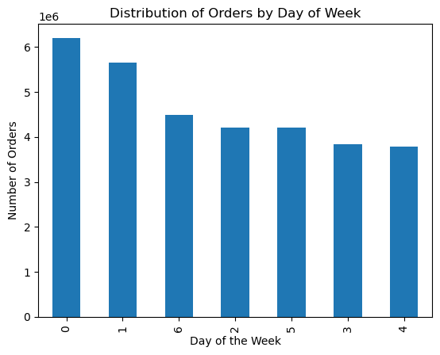
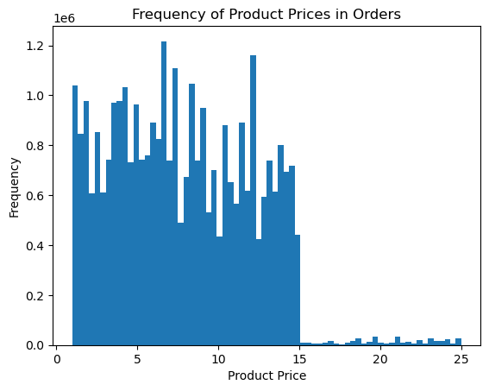
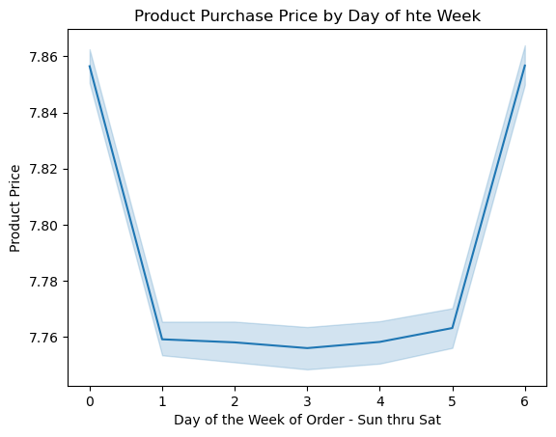

Q: What day of the week do customers place orders? A: The majority of orders are placed on Saturday (0) and Sunday (1). Ties to Project Brief: The sales team needs to know what the busiest days of the week and hours of the day are (i.e., the days and times with the most orders) in order to schedule ads at times when there are fewer orders. | Q: What is the price of the items that customers are purchasing? A: The majorityof items purchased are in the lower price scale. Very few items in the higher price range are purchased. |  |  |  | Q: Is there a relationship between the price of items purchased and the day of the week the order is placed? A: More expensive items tend to be purchased on Saturday (0) and Friday (6).

Distribution of Orders by Time of Day (Fig. 6.4) | Customer Distribution by Loyalty Type (Fig. 6.5) |  |  |  | Product Purchase Price by Hour of Day (Fig. 6.6)

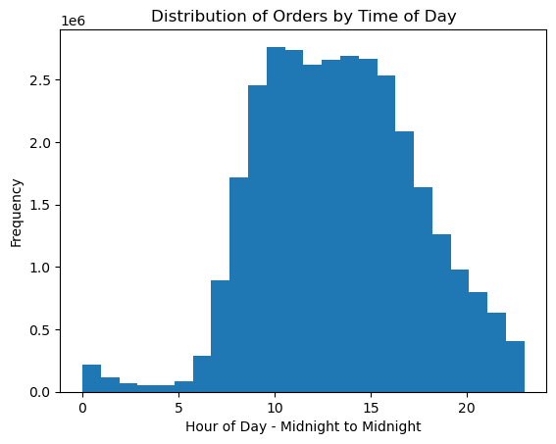
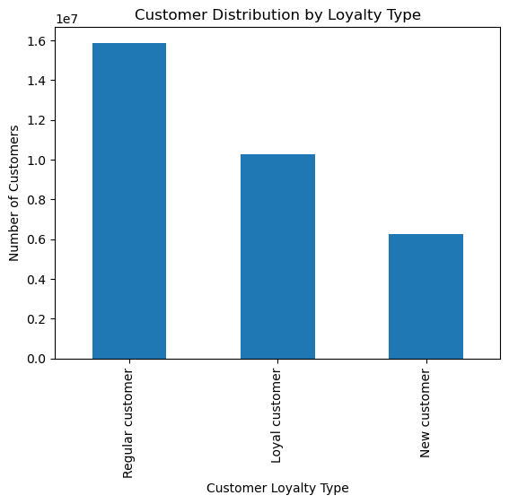
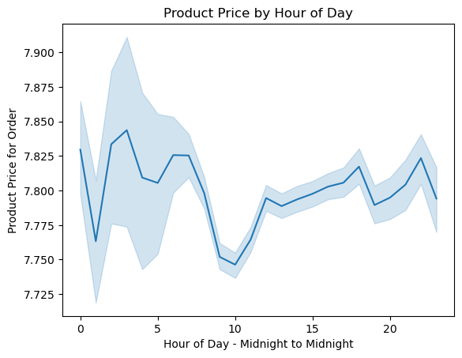

Q: When during the day (hour - from midnight to midnight) are orders placed? A: Orders are generally placed during business hours, tapering off until late night. Then they start to to come in again slowly through the morning hours. Ties to Project Brief: The sales team needs to know what the busiest days of the week and hours of the day are (i.e., the days and times with the most orders) in order to schedule ads at times when there are fewer orders. | Q/Ties to Project Brief: What’s the distribution among users in regards to their brand loyalty? A: The majority of customers are regular customers, followed by the loyal customer base. |  |  |  | NOTE: Line chart created using a random sampling of data. Q: Is there a relationship between the price of products purchased and time of day? A: It appears that higher price items tend to be purchased earlier in the day and afternoon/end of day. Lesser expensive items tend to be purchased in the late morning. Ties to Project Brief: The sales team wants to know whether there are particular times of the day when people spend the most money, as this might inform the type of products they advertise at these times.

Orders by Customer Age and Number of Dependants (Fig. 6.7) | Income vs Age (Fig. 6.8) |  |  |  | Spender Order Distribution by Region (Fig. 6.9)
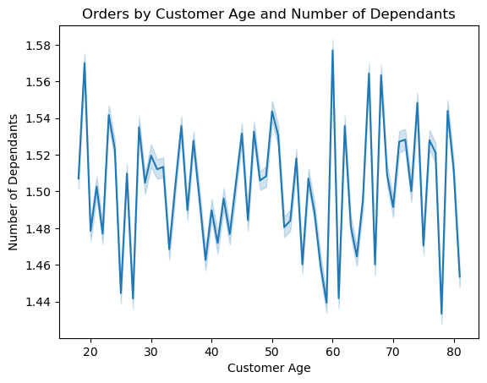
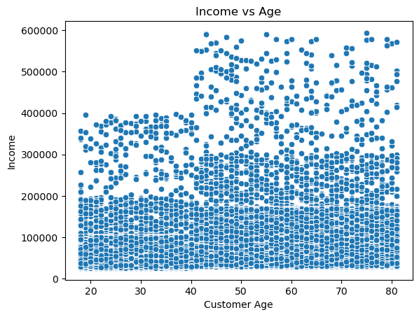
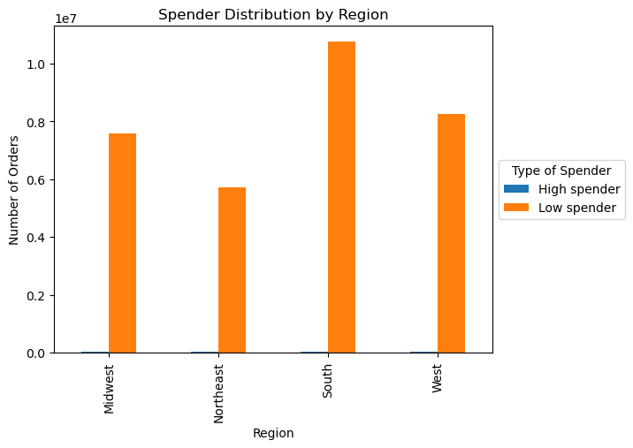

NOTE: Line chart created using a random sampling of data. Q/Ties to Project Brief: Is there a connection between age and family status in terms of ordering habits? A: No, there doesn't appear to be a relationship between the age of the customer and the number of dependants they have (family status). | Q: Is there a relationship between the age of the customer and their income? A: Yes. While in many cases there is no correlation between age and income, there is a distinct pattern of some customers having a boost in inco e after around age 40. |  |  |  | Q/Ties to Project Brief: Are there differences in ordering habits based on a customer’s region? A: Customers tend to spend their money on low-cost items regardless of region. It is clear that the majority of orders overall are in the south.

Customer Profiles and Analysis

Lifestyle / Income / Household Profiles |  |  |  | Age / Income Profiles

Customer Profile Distribution (Fig. 6.10) |  |  |  | Customer Profile Distribution (Fig. 6.11)

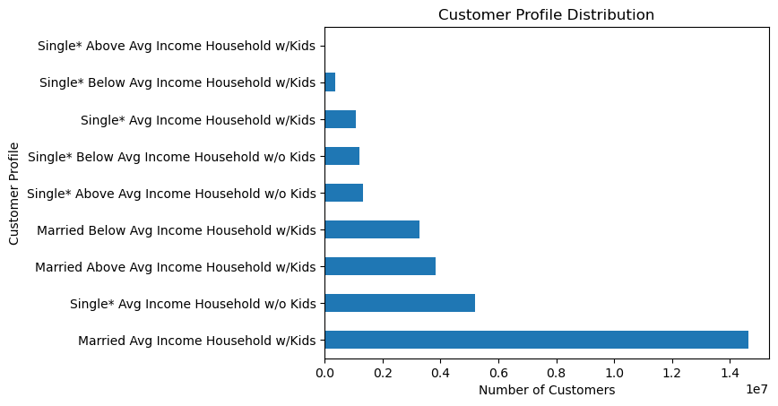
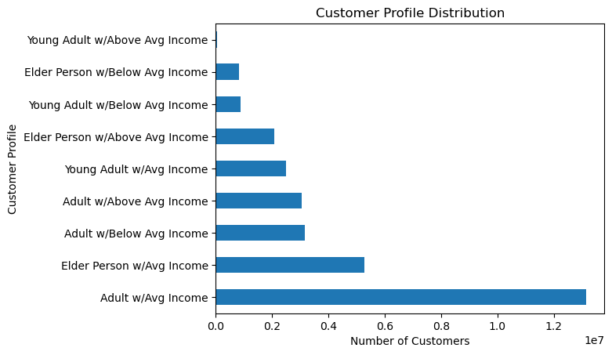

Q: What type of customer (profile) makes up our customer base? A: When evaluating our customer base by lifestyle/income/household type... the majority of customers are Married with Children and an average income level. Ties to Project Brief: The marketing and sales teams are particularly interested in the different types of customers in their system and how their ordering behaviors differ. |  |  |  | Q: What type of customer (profile) makes up our customer base? A: When evaluating our cutomer base by age/income... the majority of customers are adults with an average income. Ties to Project Brief: The marketing and sales teams are particularly interested in the different types of customers in their system and how their ordering behaviors differ.

Order Distribution by Region and Profile (Fig. 6.12) |  |  |  | Order Distribution by Region and Profile (Fig. 6.13)

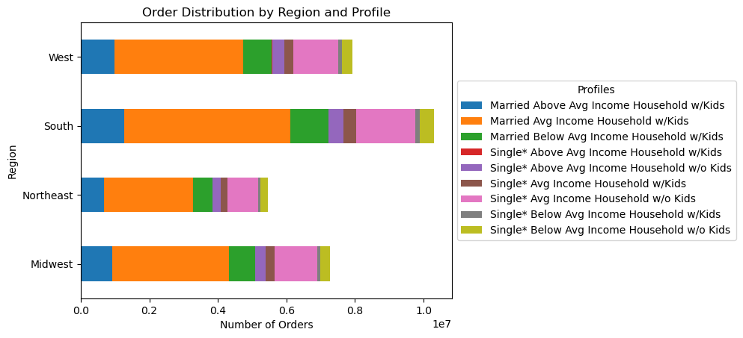
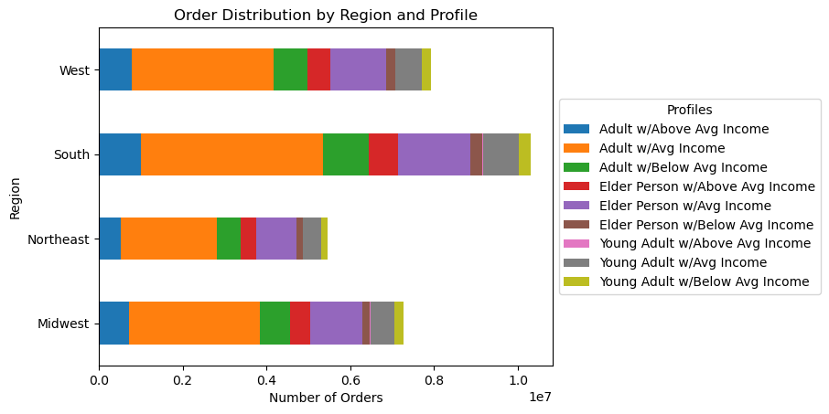

Q/Ties to Project Brief: Are there differences in ordering habits based on a customer’s region? A: Yes. The majority of orders are coming from our customers in the south. This trend seems to follow across the profiles as well. |  |  |  | Q/Ties to Project Brief: Are there differences in ordering habits based on a customer’s region? A: Yes. The majority of orders are coming from our customers in the south. This trend seems to follow across the profiles as well.

Order Distribution by Department and Profile (Fig. 6.14) |  |  |  | Order Distribution by Department and Profile (Fig. 6.15)

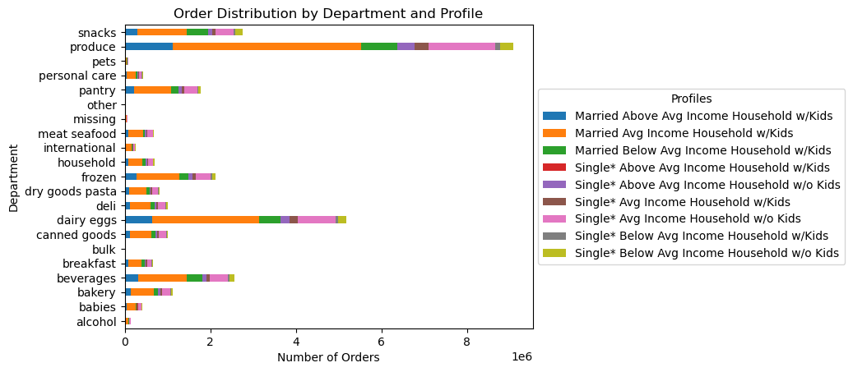
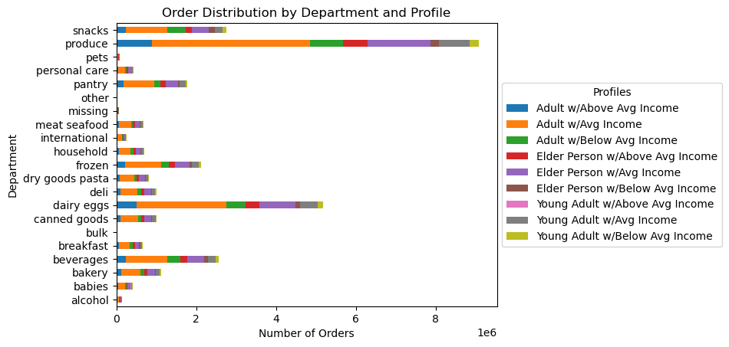

Q/Ties to Project Brief: What differences can you find in ordering habits of different customer profiles? A: All profiles trend towards the majority of orders being from the produce, dairy/eggs, snack and beverage departments. |  |  |  | Q/Ties to Project Brief: What differences can you find in ordering habits of different customer profiles? A: All profiles trend towards the majority of orders being from the produce, dairy/eggs, snack and beverage departments.

Order Distribution by Frequency and Profile (Fig. 6.16) |  |  |  | Order Distribution by Frequency and Profile (Fig. 6.17)
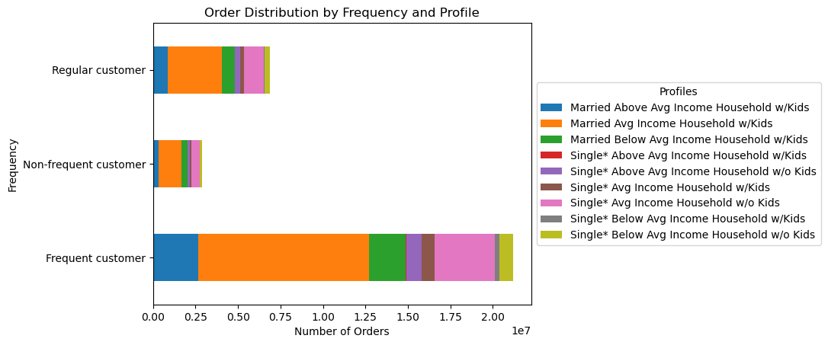
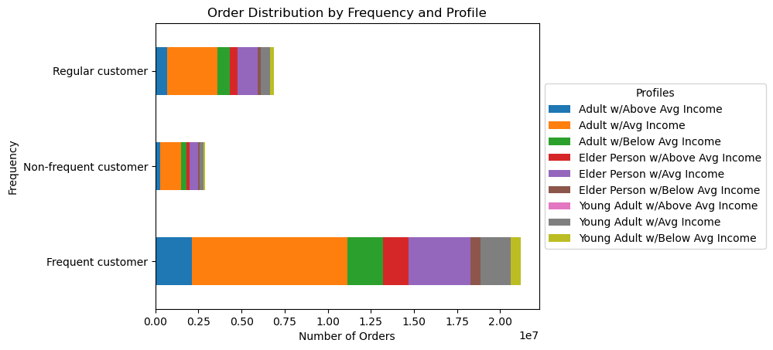

Q/Ties to Project Brief: Are there differences in ordering habits based on a customer’s frequency of purchase? A: Our frequent customers show some trends as it relates to which proiles are making purchases. The large majority are coming from our "Married with Children and Avg Income" profile. Second is the "Single w/o Kids and Avg Income" profile, then the "Married with Children and Above Average" profile. |  |  |  | Q/Ties to Project Brief: Are there differences in ordering habits based on a customer’s frequency of purchase? A: Our frequent customers show some trends as it relates to which proiles are making purchases. The large majority are coming from our "Adult with Avg Income" profile. Second is the "Elder with Avg Income" profile.

Order Distribution by Price Range and Profile (Fig. 6.18) |  |  |  | Order Distribution by Price Range and Profile (Fig. 6.19)
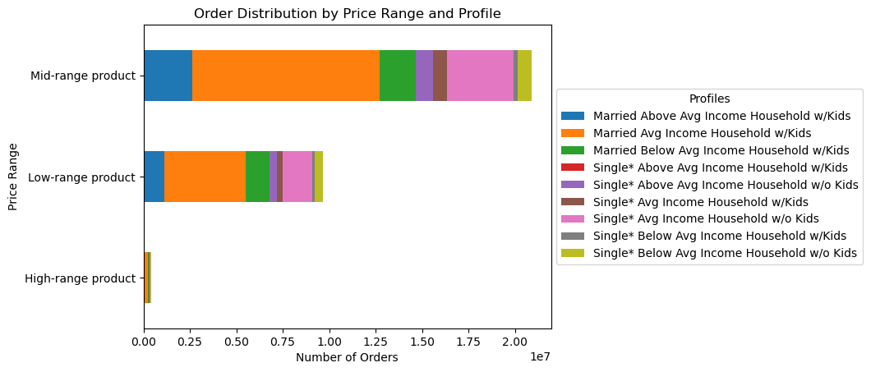
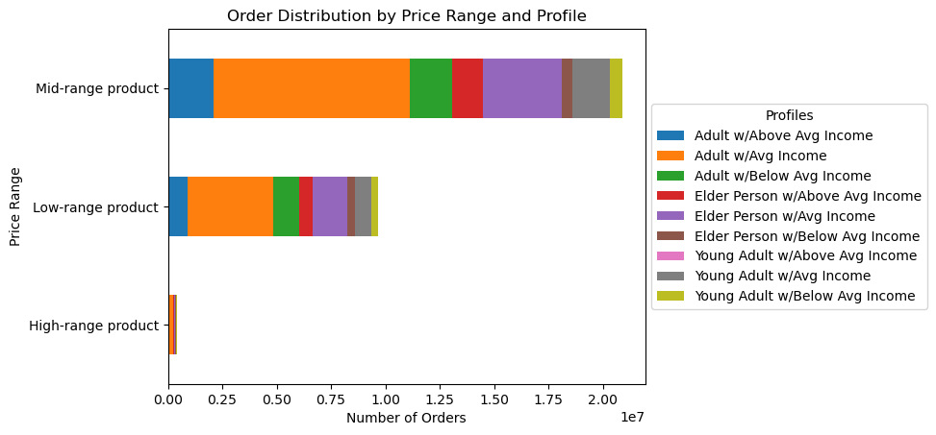

Q/Ties to Project Brief: Are there differences in ordering habits based on a customer’s price range of purchase? A: The large majority of items purchased are of mid-range price. There are very few items purchased in the highest price range. |  |  |  | Q/Ties to Project Brief: Are there differences in ordering habits based on a customer’s price range of purchase? A: The large majority of items purchased are of mid-range price. There are very few items purchased in the highest price range.

Order Distribution by Loyalty Type and Profile (Fig. 6.20) |  |  |  | Order Distribution by Loyalty Type and Profile (Fig. 6.21)

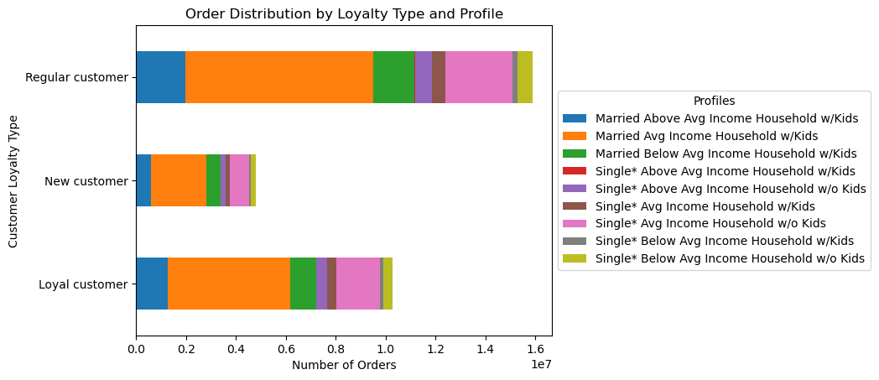

Q/Ties to Project Brief: Are there differences in ordering habits based on a customer’s loyalty status? A: Our regular customers provide the most orders, followed by our loiyal customer base - this is true across all profiles. |  |  |  | Q/Ties to Project Brief: Are there differences in ordering habits based on a customer’s loyalty status? A: Our regular customers provide the most orders, followed by our loiyal customer base - this is true across all profiles.

7. Recommendations
 |  |  |  |  | Title page

Recommendations

In this tab you should include any recommendations you would made to Instcart in terms of their marketing strategy based on the questions posed in the brief. Every key question has been covered in the Tasks of the Exercises - here you need to add an item - a visualisation or table/crosstable that is showing the answer in the data, acompanied by a comment from you. Please, list the questions below and add the answer underneath.

Question |  | Answer | Reference | Recommendation
The sales team needs to know what the busiest days of the week and hours of the day are (i.e., the days and times with the most orders) in order to schedule ads at times when there are fewer orders. | ► ► | The busiest days of the week are Saturday and Sunday. The busiest hours of the day are daytime hours. As the evening goes on, ordering tapers off. Morning hours are the least busy for orders. | Figure 6.1 Figure 6.4 | Targeting weekdays and early mornings for ads may take advantage of the less busy times.

They also want to know whether there are particular times of the day when people spend the most money, as this might inform the type of products they advertise at these times. | ► ► | The highest price products are purchased on Friday and Saturday. There is no distinct pattern related to price and time of day. The price of item purchased varies throughout the day. | Figure 6.3 Figure 6.6 | To boost sales for higher price items, ads could run Sunday through Thursday to fill in the gap.

Instacart has a lot of products with different price tags. Marketing and sales want to use simpler price range groupings to help direct their efforts. | ► | In our analysis, we categorized items as low, medium, or high in price range using breakpoints of $5 and $15. There was a clear pattern of mid-range priced items being by far the most purchased items. High-priced items were very infrequently purchased | Figure 6.18 Figure 6.19 | Viewing the popularity of pricing at three price points was quite helpful in identifying the popularity of mid-range items. If there is a desire to boost sales of the lower- or higher-priced items, they could be targeted in ads or incentives.

Are there certain types of products that are more popular than others? The marketing and sales teams want to know which departments have the highest frequency of product orders. | ► | The majority of orders are from the produce, dairy/eggs, snack, and beverage departments. | Figure 6.14 Figure 6.15 | In viewing where the majority of orders are placed, effort could be made to incentivize purchases in departments with less sales.

The marketing and sales teams are particularly interested in the different types of customers in their system and how their ordering behaviors differ.
What’s the distribution among users in regards to their brand loyalty (i.e., how often do they return to Instacart)? | ► | When classifying customers by the number of days since their last order, our high-frequency customers (those who place orders on average less than 10 days apart), make up the large majority. | Figure 6.16 Figure 6.17 | We already have some success here. Most of our customers place orders with few days in between. So most of our customers ARE loyal, placing orders frequently. That being said, there's an opportunity to incentivize those who place orders with less frequency to turn more regular customers into more frequent customers.

Are there differences in ordering habits based on a customer’s loyalty status? | ► | Yes, our regular customers provide the most orders - placing between 10-40 orders total. Our next largest group are our loyal customer base - placing 40 or more orders. | Figure 6.20 Figure 6.21 | The opportunity here is to turn more customers into loyal customers who place more orders. Marketing and sales efforts could be made to increase the number of orders our existing customers are placing.

Are there differences in ordering habits based on a customer’s region? | ► | Yes, our largest customer base is in the Southern states, followed by the West. | Figure 6.12 Figure 6.13 | Our biggest opportunity here is to increase the customer base in the Northeast. Targeting this area with ads and/or incentives may help increase the customer base in this area.

Is there a connection between age and family status in terms of ordering habits? | ► | No, there doesn't appear to be a relationship between the age of the customer and the number of dependants they have (family status). | Figure 6.7 | No recommendations since no pattern or story exists here.

What different classifications does the demographic information suggest? Age? Income? Certain types of goods? Family status? | ► ► | We evaluated demographics in two way: (1) a combination of Lifestyle (single or married), Income, and Household Type (childen or no children). (2) a combination of Age Group (child, young adult, adult, elder person) and Income. From the Lifestyle/Income/Household profiles, we have a large customer base that is 'Married with Children with Average Income'. From the Age Group/Income profiles, our largest group is the 'Adult with Average Income' group. | Figure 6.10 Figure 6.11 | One of the lowest groups include those that are single with children. There could be an opportunity to target these groups to increase that customer base. Similarly, the young adult and elder populations place very few orders overall, so this may be a group to target with ads or incentives.

What differences can you find in ordering habits of different customer profiles? | ► | Our two largest customer groups generally follow the majority trends when it comes to ordering habits. You can follow them in all the profile analyses on the Visualization tab (Figures 12-21) - they are both represented in orange (or the second group in each visualization). In general, you can apply purchasing trends for the majority to the purchasing trends of our two largest groups. | Figures 6.12 - 6.21 | By targeting less popular ordering trends (days of the week, departments, range of product price) amongst the opportunity profiles (such as single with chilrdren and young adult and elder), we may be able to increase sales.

